Sheet1
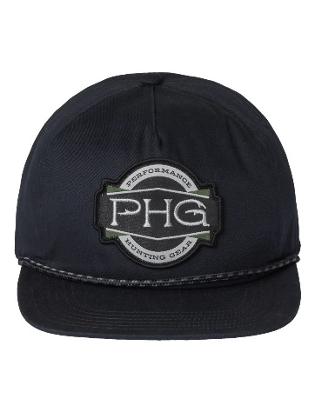

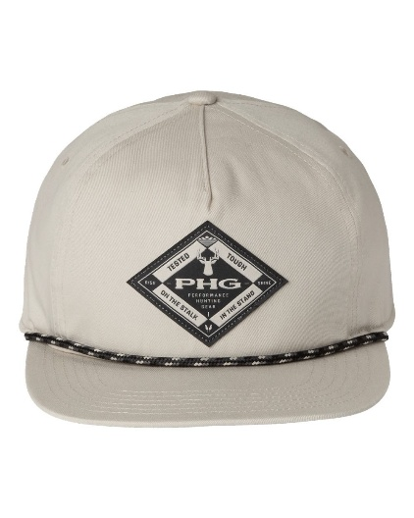
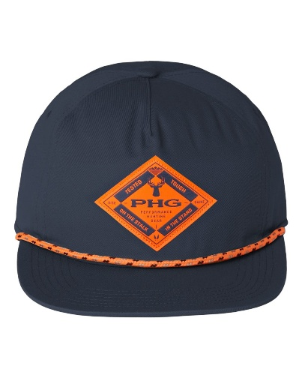
Brand | Description | Color | Total | MSRP
Columbia | PHG Terminal™ Shot Snapback Cap | Black | 3827 | $39.00
Columbia | PHG Terminal™ Shot Snapback Cap | Black | 1
Columbia | PHG Terminal™ Shot Snapback Cap | Dark Stone | 2145
Columbia | PHG Terminal™ Shot Snapback Cap | Dark Stone | 9
Columbia | PHG Terminal™ Shot Snapback Cap | Sahara | 1767
Columbia | PHG Terminal™ Shot Snapback Cap | Sahara | 19
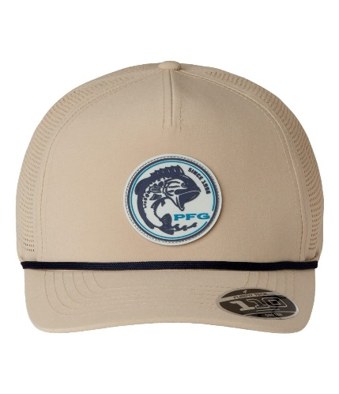
Columbia | PHG Terminal™ Shot Snapback Cap | Zinc | 3377
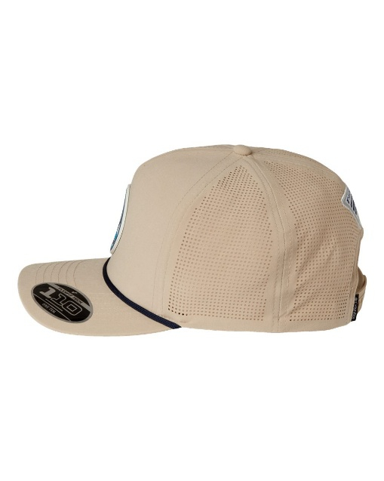
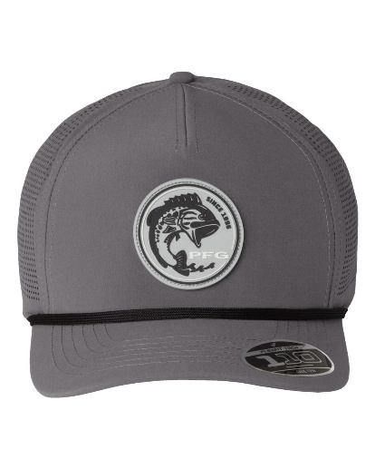
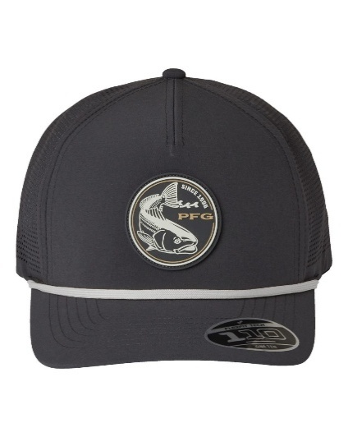
Brand | Description | Color | Total | MSRP
Columbia | Tidal Pursuit™ 3D Stretch Snapback Cap | Ancient Fossil/ Fish Circle Bass | 2358 | 41.9
Columbia | Tidal Pursuit™ 3D Stretch Snapback Cap | Ancient Fossil/ Fish Circle Bass | 21
Columbia | Tidal Pursuit™ 3D Stretch Snapback Cap | City Grey/ Fish Circle Bass | 1656
Columbia | Tidal Pursuit™ 3D Stretch Snapback Cap | City Grey/ Fish Circle Bass | 7
Columbia | Tidal Pursuit™ 3D Stretch Snapback Cap | Shark/ Fish Circle Red Fish | 2179
Columbia | Tidal Pursuit™ 3D Stretch Snapback Cap | Shark/ Fish Circle Red Fish | 12

